Sheet1
trials.intensity | trials.thisRepN
0.05 | 1
0.050058 | 2
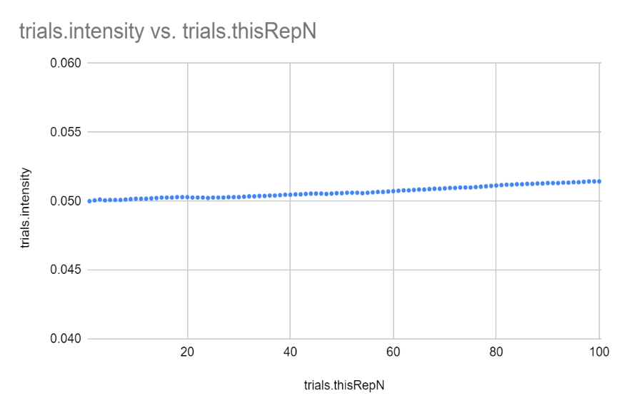
0.050115 | 3
0.050058 | 4
0.050086 | 5
0.050086 | 6
0.050086 | 7
0.050115 | 8
0.050144 | 9
0.050173 | 10
0.050173 | 11
0.050173 | 12
0.050202 | 13
0.050231 | 14
0.05026 | 15
0.05026 | 16
0.05026 | 17
0.050289 | 18
0.050289 | 19
0.050289 | 20
0.05026 | 21
0.05026 | 22
0.05026 | 23
0.050231 | 24
0.05026 | 25
0.05026 | 26
0.05026 | 27
0.050289 | 28
0.050289 | 29
0.050289 | 30
0.050318 | 31
0.050347 | 32
0.050347 | 33
0.050376 | 34
0.050376 | 35
0.050405 | 36
0.050405 | 37
0.050434 | 38
0.050463 | 39
0.050463 | 40
0.050492 | 41
0.050492 | 42
0.050521 | 43
0.05055 | 44
0.05055 | 45
0.05055 | 46
0.050521 | 47
0.05055 | 48
0.050579 | 49
0.050579 | 50
0.050608 | 51
0.050608 | 52
0.050608 | 53
0.050579 | 54
0.050608 | 55
0.050637 | 56
0.050666 | 57
0.050666 | 58
0.050696 | 59
0.050725 | 60
0.050754 | 61
0.050783 | 62
0.050783 | 63
0.050812 | 64
0.050842 | 65
0.050842 | 66
0.050871 | 67
0.0509 | 68
0.0509 | 69
0.05093 | 70
0.050959 | 71
0.050959 | 72
0.050988 | 73
0.050988 | 74
0.050988 | 75
0.051018 | 76
0.051047 | 77
0.051076 | 78
0.051106 | 79
0.051135 | 80
0.051165 | 81
0.051194 | 82
0.051194 | 83
0.051224 | 84
0.051224 | 85
0.051253 | 86
0.051253 | 87
0.051283 | 88
0.051283 | 89
0.051312 | 90
0.051312 | 91
0.051312 | 92
0.051342 | 93
0.051342 | 94
0.051371 | 95
0.051371 | 96
0.051401 | 97
0.05143 | 98
0.05143 | 99
0.05143 | 100

0.0513741

Sheet2
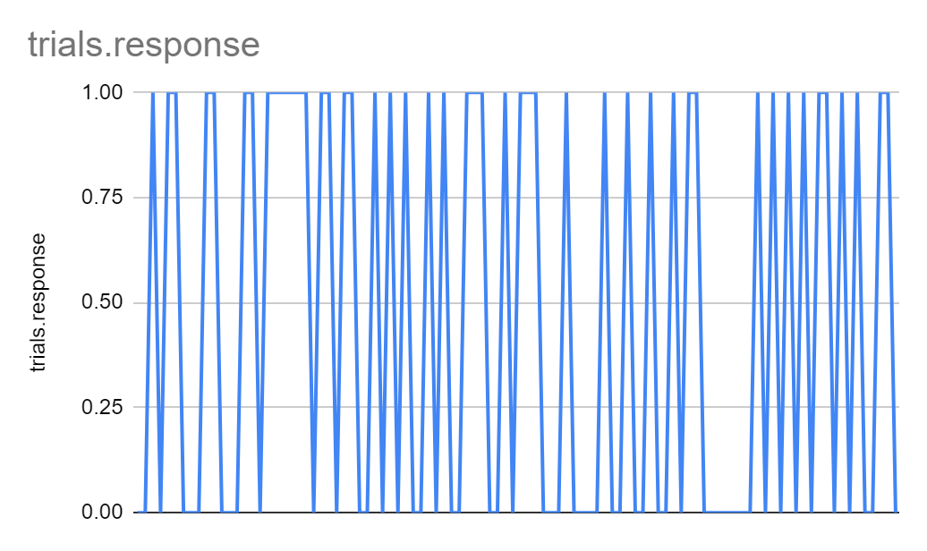
trials.thisRepN | trials.response
1 | 0
2 | 0
3 | 1
4 | 0
5 | 1
6 | 1
7 | 0
8 | 0
9 | 0
10 | 1
11 | 1
12 | 0
13 | 0
14 | 0
15 | 1
16 | 1
17 | 0
18 | 1
19 | 1
20 | 1
21 | 1
22 | 1
23 | 1
24 | 0
25 | 1
26 | 1
27 | 0
28 | 1
29 | 1
30 | 0
31 | 0
32 | 1
33 | 0
34 | 1
35 | 0
36 | 1
37 | 0
38 | 0
39 | 1
40 | 0
41 | 1
42 | 0
43 | 0
44 | 1
45 | 1
46 | 1
47 | 0
48 | 0
49 | 1
50 | 0
51 | 1
52 | 1
53 | 1
54 | 0
55 | 0
56 | 0
57 | 1
58 | 0
59 | 0
60 | 0
61 | 0
62 | 1
63 | 0
64 | 0
65 | 1
66 | 0
67 | 0
68 | 1
69 | 0
70 | 0
71 | 1
72 | 0
73 | 1
74 | 1
75 | 0
76 | 0
77 | 0
78 | 0
79 | 0
80 | 0
81 | 0
82 | 1
83 | 0
84 | 1
85 | 0
86 | 1
87 | 0
88 | 1
89 | 0
90 | 1
91 | 1
92 | 0
93 | 1
94 | 0
95 | 1
96 | 0
97 | 0
98 | 1
99 | 1
100 | 0

